Introduction
Leadership Accord on Gender Diversity
Self-Assessment Tool

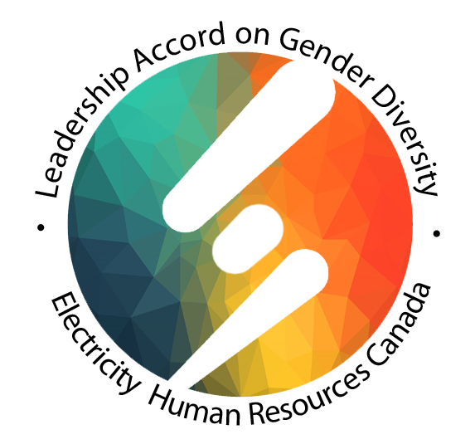

How to Complete the Tool | Who Should Complete the Tool
The tool is organized into 3 different Accord areas, each of which focuses on a set of actions. Within each area, the organization is asked to rate the extent to which it complies with a series of concrete actions or indicators that reflect diversity, equity, and inclusion promising practices, using a scale from 1-3. Some indicators may not apply to some organizations. In this case, organizations should rate the indicator as ‘Not Applicable’ and keep this indicator out of the calculation of the average assessment score. The self-assessment process | Any individual with knowledge of an organization can answer the questions. When completing the tool, it is important to remember that the focus is on how an organization as a whole is performing against its goals. Although the personal experiences of individuals completing the assessment are relevant, the tool is not designed to assess the experiences of individual employees – it is meant for conducting an intensive and comprehensive system wide organizational assessment based on facts.
will be most useful if the ratings are based on careful, honest review of current practice. The tool provides space to note the evidence used to reach a decision about each self-rating. Once an organization has entered a score for each indicator, it can calculate an overall score in the final column of the chart. Action Planning & Next Steps As a supplement to this self-assessment guide, EHRC has prepared an action planning guide. It prompts the organization to review the completed self-assessment and identify three areas that they see as priorities for action. A table allows the organization to identify the people and resources needed to move forward with each priority. | Organizations may use the tool differently depending on the time and resources available to conduct the assessment, but it will often take the commitment of several hours of work from a number of different employees. Some organizations will choose to have individuals representing different roles within the organization complete the assessment individually and then compile their scores together for an overall assessment. Protecting employee confidentiality is paramount here. Some organizations may choose to use individual responses to the tool as a starting point for group discussion, while others may choose to have one individual or a small group of people work together to complete one copy of the assessment. Ideally, people from multiple levels and areas of an organization will be involved in the process in some way. This will enable an accurate assessment of the indicators and ensure a comprehensive picture of the organization’s diversity, equity, and inclusion work. It will provide an opportunity for staff to enhance their understanding of diversity, equity, and inclusion, and enable the development of a shared vision on how the organization will advance diversity, equity, and inclusion work.

Accord Area #1
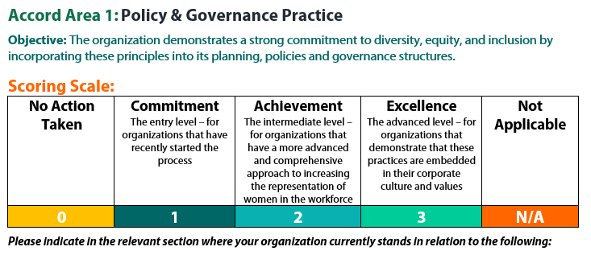

Indicators (5) | List the evidence that supports how your organization fulfils this indicator | Score
1. Our organization has committed to the on-going improvement of our workplace policies, practices and operating procedures so that women are sufficiently represented in the workplace. This includes a review of key HR policies and the creation of gender-diverse work environments and organizational cultures that are welcoming and supportive of women. | One of the 2019-2023 Strategic Plan's key performance indicators is to achieve 30% gender/ethnic representation in the organization's governance structure. Currently reviewing website to ensure all genders are included. Ensure photos used include women. Current review of all policies to ensure supportive and welcoming for women. Safety review of organization and internal policies to provide support for all. | 1
2. Our organization has put in place contractual terms and conditions that require contractors to have a representative workforce. | N/A
3. Our organization strives to ensure collective agreement provisions are not unconsciously biased towards women entering the workforce. | N/A
4. Our organization strives to ensure women represent between 10% and 30% of Board of Director and Senior Management positions and promote the business case that diverse leadership teams make good business sense. | One of the 2019-2023 Strategic Plan's key performance indicators is to achieve 30% gender / ethnic representation in the organization’s governance structure. | 1
5. Our organization encourages joint ventures between employers and government or employees and their respective unions (or even tri-partite ventures between all three) in support of advancing women in under-represented roles in the sector. | OACETT strives to have a "Women in Technology (WIT) representative in each of our 28 chapters throughout Ontario with activities and goals to interact with employers and other associations at WIT events. Recognition of International Women's Day including videos from our members. | 1
6. Any policies or initiatives that your organization has developed/delivered based on your own internal needs and strategic plan. | One of the 2019-2023 Strategic Plan's key performance indicators is to achieve 30% gender / ethnic representation in the organization’s governance structure. | 1
 |  | 4

Accord Area #2
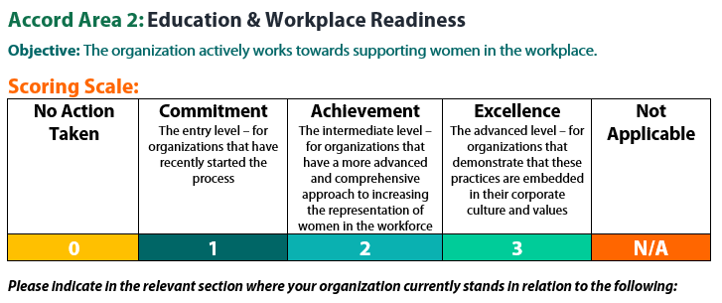

Indicators (6) | List the evidence that supports how your organization fulfils this indicator | Score
1. Our organization ensures there is at least one female interviewer on all educational program intake panels. | N/A
2. Our organization ensures instructors are aware of, sensitive to, and in some cases receive training on the barriers facing women in non-traditional positions within the electricity sector and that there is no conscious or unconscious bias within the classroom that discriminates against female students. | N/A
3. Our organization provides co-op placements to both male and female students. | N/A
4. Our organization investigates and researches potential factors that are limiting the successful transition from educational and training programs into the sector. | Partnered with OSPE (Ontario Society of Professional Engineers) in the study: Breaking Barriers for Women in STEM. | 1
5. Our organization supports women’s transition into the sector by matching new hires with women already in the sector through internal mentoring programs and/or national mentoring programs such as EHRC’s Connected Women Mentorship program. | Mentoring is encouraged as part of our professional development program but is not yet specific to women technology professionals. | 1
6. Our organization helps to develop women’s resilience to thrive within the sector and a variety of workplaces through various initiatives | Beginning to partner with professional development providers specific to the unique needs/challenges of women in the male dominated disciplines of technology certification. | 1
7. Any policies or initiatives that your organization has developed/delivered based on your own internal needs and strategic plan. | Ensure policies are relevant for all genders. The 2019-2023 Strategic Plan includes a key performance indicator to achieve 30% gender / ethnic representation in the organization’s governance structure. | 1
 | Total Score | 4

Accord Area #3
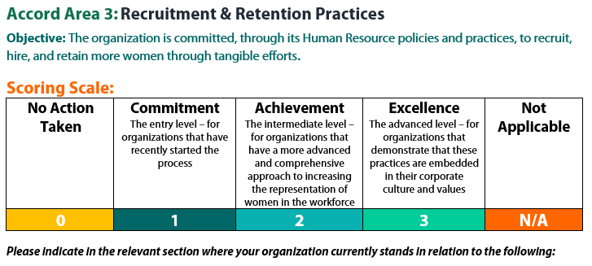

Indicators (6) | List the evidence that supports how your organization fulfils this indicator | Score
1. Our organization works to promote occupations (and the sector overall) in a way that attracts more women. | We support women in engineering technology. We promote women on our website and in our Ontario Technologist publication. We strive to have Women in Technology (WIT) representatives in each of our 28 chapters throughout Ontario. Sponsorship of OSPE study, Breaking Barriers for Women in STEM. Skills Ontario/Heads of Technology video on introducing technology professions to school-age children. | 1
2. Our organizations strives to ensure, where possible, at least 2 qualified women are shortlisted for all positions. | N/A
3. Our organization endeavors where possible to have at least one female interviewer on all intake/hiring panels. | Although not yet a policy, this is usually the case due to the significant number of female staff. | 1
4. Our organization works towards increasing the number of apprenticeship positions being filled by women, by the individual organization. | N/A
5. Our organization regularly develops processes or special programs that help advance women in the electricity industry and support their development. | N/A
6. Our organization collects and reports on demographic information about all staff to monitor and assess whether equitable Human Resource practices are employed. | We have evalutated job descriptions and pay scales. | 2
7. Any policies or initiatives that your organization has developed/delivered based on your own internal needs and strategic plan. | One of the 2019-2023 Strategic Plan's key performance indicators is to achieve 30% gender/ethnic representation in the organization’s governance structure. We are currently reviewing our policies to ensure all genders are represented. | 1
 | Total Score | 5

Overall Assessment
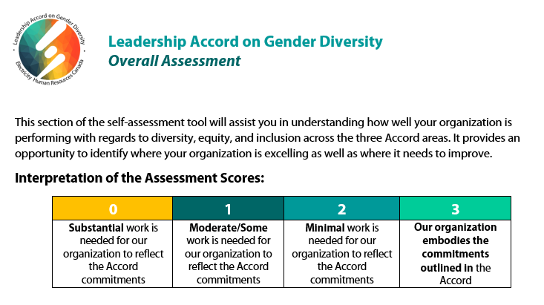

 | Areas | Total Assessment Score (sum of scores) | Number of Indicators | Average Assessment Score (Total Score/# of applicable indicators)
 | Accord Area 1: Policy & Governance Practice | 4 | 4 | 1
 | Accord Area 2: Education & Workplace Readiness | 4 | 4 | 1
 | Accord Area 3: Recruitment & Retention Practices | 5 | 4 | 1
 |  |  | DIVERSITY SCORE | 1

 | Based on the assessment of needed action, identify 3 areas where your organization is strong
1 | Gender representation in overall staff.
2 | Gender representation in publications.
3 | Gender representation on Young Professionals Committee.

 | Based on the assessment of needed action, identify 3 areas where your organization requires improvement
1 | Gender representation on Council and Boards.
2 | Gender representation on Committees.
3 | Gender representation in senior management positions.

Action Planning
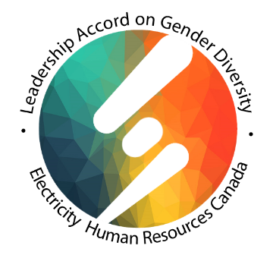
Leadership Accord on Gender Diversity
Creating an Action Plan

The Action Plan section prompts you to identify the concrete steps needed to take action.
Based on the overall assessment of your organization, identify 3 areas for improvement that your organization will address over the next year, and then create an action plan that outlines how you will advance diversity, equity, and inclusion in these 3 areas.
It is recommended that you identify clear and focused areas for improvement so that concrete and targeted actions can be specified that will effectively enhance diversity, equity, and inclusion in that particular area. It is recommended that you select areas of improvement that are most important to your organization and will have the greatest impact at this point in its diversity, equity, and inclusion journey.
Note: In your action planning, based on the overall assessment, you may also wish to identify what your organization’s strengths are and how you will build on these. In addition to referring to the action planning guidelines below, a useful strategy for this is to engage in team-based brainstorming around organizational assets and opportunities for growth in these areas.

Areas for Improvement
1 | Gender representation on Council/Boards/Committees
2 | Gender representation in senior management positions
3 | Support for Women in Technology (WIT) events

